Catalogue
Brand | Product (your sheet) | Category | Sub Category | Type | Website Product Name | Match % | Item Code (site) | Product Image | Product Description | Status
Arumugam | Double Sound Cracker | 2&3 Sound | 2 Sound | Mini |  |  |  | 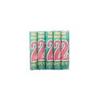 |  | Brand not on the 5 sites
Arumugam | Seeta Geeta | Atom Fountain | Large | Plain |  |  |  |  |  | Brand not on the 5 sites
Cock | Migic Fountain Mighty Atom | Atom Fountain | Large | Plain | Magic Fountain Mighty Atom | 96 |  | 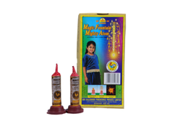 | Fountain emits showers of sparks followed by a bang. | OK
Sunshine | Seeta Geeta | Atom Fountain | Large | Plain | Seetha Geetha | 92 |  | 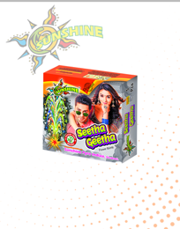 | No description published on the website | OK
Vadivel | Ganga Jamuna | Atom Fountain | Large | Plain |  |  |  | 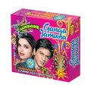 |  | Brand not on the 5 sites
Azad | Classic Foiled | Bomb | Foiled | Medium |  |  |  |  |  | Brand not on the 5 sites
Azad | Commander Green | Bomb | Green | Medium |  |  |  |  |  | Brand not on the 5 sites
Azad | Classic Green | Bomb | Green | Medium |  |  |  | 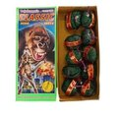 |  | Brand not on the 5 sites
Cock | Bullet Big | Bomb | Bullet | Small | Bullet | 75 |  | 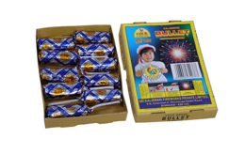 | Produces a bang with flash | OK
Cock | Hydro Foiled | Bomb | Foiled | Small | Hydro Foiled | 97 |  | 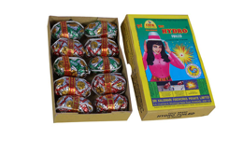 | Produce sound with flash | OK
Cock | Hydro Green | Bomb | Green | Small | Hydro Green | 97 |  | 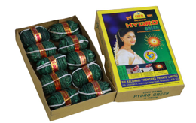 | Produce sound with flash | OK
Chima | 5 Falls | Fancy | Pipe | Mini |  |  |  | 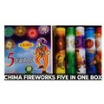 |  | Brand not on the 5 sites
Chima | 3 Pc Mini Pipe | Fancy | Pipe | 1.5 |  |  |  | 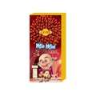 |  | Brand not on the 5 sites
Chima | 3 Pc Big Pipe | Fancy | Pipe | 2 |  |  |  |  |  | Brand not on the 5 sites
Cock | Automatic Rocket | Fancy | Pipe | Mini | Automatic Rocket | 97 |  | 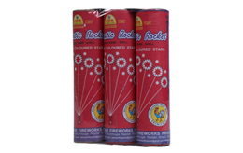 | Displays seven red stars followed by seven cracker sounds in the sky | OK
Cock | Golden Classic | Fancy | Pipe | 2 | Golden Classic | 97 |  | 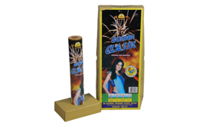 | Shoots out vertically to the sky emitting stars in a glittering golden colour | OK
Cock | Blossom | Fancy | Pipe | 2 | Boomer 37 (closest, unverified) | 50 |  |  |  | No confident match on website
Cock | Golden Strawberry | Fancy | Pipe | 1.5 | Golden Strawberry | 97 |  | 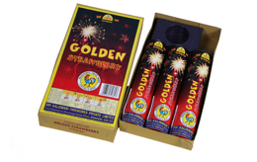 | Shoots out vertically to the sky a beautiful RED comet that breaks in to GLITTERING GOLD stars | OK
Cock | Green Casco | Fancy | Pipe | 2 | Green Casco | 97 |  | 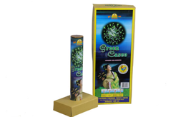 | Shoots out vertically to the sky breaking into stars in green colour â Peony effect | OK
Cock | Golden Cinderella | Fancy | Pipe | 1.5 | Golden Cindrella | 97 |  | 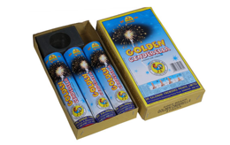 | Shoots out vertically to the sky a beautiful BLUE comet that breaks in to GLITTERING GOLD stars | OK
Cock | Golden Core | Fancy | Pipe | 2 | Golden Core | 97 |  | 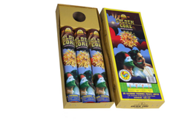 | Shoots out vertically showering yellow coloured stars in the sky | OK
Cock | Golden Emerald | Fancy | Pipe | 1.5 | Golden Emerald | 97 |  | 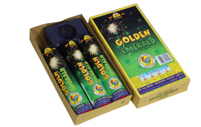 | Shoots out vertically to the sky a beautiful GREEN comet that breaks in to GLITTERING GOLD stars | OK
Cock | Golden Minnows | Fancy | Pipe | 2 | Golden Minnows | 97 |  | 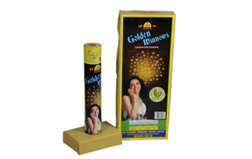 | Shoots out vertically to the sky with glittering gold coloured stars | OK
Cock | Jasmine Core | Fancy | Pipe | 2 | Jasmine Core | 97 |  | 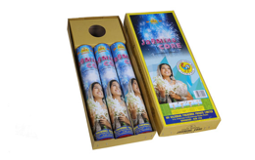 | Shoots out vertically showering white glittering stars in the sky | OK
Cock | Parachute Night Out | Fancy | Pipe | 2 | Parachute Night Out | 97 |  | 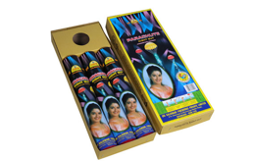 | Pushes out to the sky one parachute with a green colour flare | OK
Cock | Merry Go Round | Fancy | Pipe | 1.5 | Merry Go Round | 97 |  | 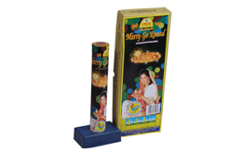 | Aerial Spinner that ends with a bright flash & bang | OK
Cock | Multiple Ariel Star | Fancy | Pipe | 2 | Multible Aerial Star | 87 |  | 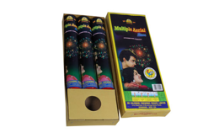 | Displays multi coloured stars with multi cracker sounds in the sky | OK
Cock | Pansy | Fancy | Pipe | 2 | Pansy | 97 |  | 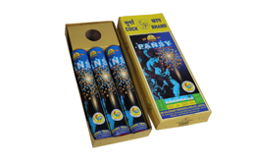 | Pushes out to the sky glittering gold stars and blue colour flashes | OK
Cock | Penta Sky Flash | Fancy | Pipe | Mini | Penta Sky Flash | 97 |  | 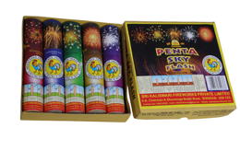 | Shoots out vertically to the sky breaking to colourful stars | OK
Cock | Red Casco | Fancy | Pipe | 2 | Red Casco | 97 |  | 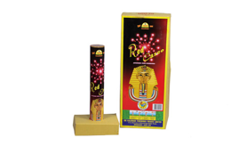 | Shoots out vertically to the sky emitting stars in red colour â Peony effect | OK
Cock | Signal Rocket | Fancy | Pipe | Mini | Signal Rocket | 97 |  | 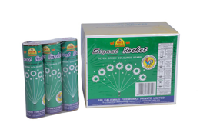 | Displays seven green stars followed by seven cracker sounds in the sky | OK
Cock | Siren | Flower Pot | Fountain | 1.5 | Siren | 97 |  | 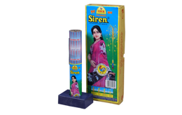 | Silver fountain with a whistling sound of siren | OK
Vanitha | One Up | Fancy | Pipe | 2 | 1 UP (closest, unverified) | 60 |  |  |  | No confident match on website
Vanitha | City | Fancy | Pipe | 2 | City | 97 |  | 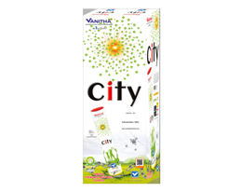 | No description published on the website | OK
Vanitha | Night Angel | Fancy | Pipe | 2 | Night Angel | 97 |  | 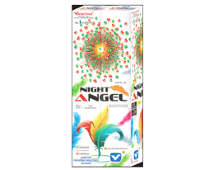 | No description published on the website | OK
Vanitha | Digital | Fancy | Pipe | 2 | Digital | 97 |  | 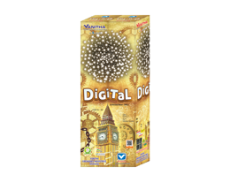 | No description published on the website | OK
Vanitha | Highlight | Fancy | Pipe | 2 | Hi Light | 82 |  | 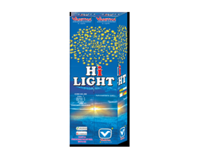 | No description published on the website | OK
Vanitha | Star Dust | Fancy | Pipe | 2 | Star Dust | 97 |  | 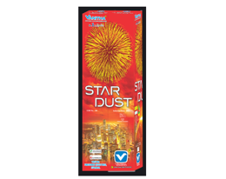 | No description published on the website | OK
Vanitha | Million | Fancy | Pipe | 2 | Million | 97 |  | 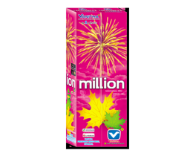 | No description published on the website | OK
Vanitha | Sky | Fancy | Pipe | 2 | Sky | 97 |  | 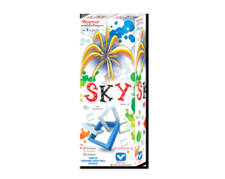 | No description published on the website | OK
Vanitha | IQ | Fancy | Pipe | 2.5 | I Q | 97 |  | 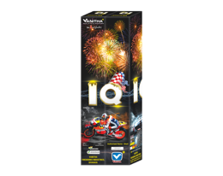 | No description published on the website | OK
Vanitha | World War | Fancy | Pipe | 2.5 | World War | 97 |  | 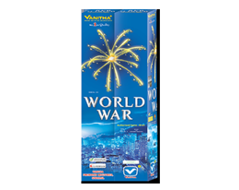 | No description published on the website | OK
Vanitha | Dragon | Fancy | Pipe | 2.5 | Dragon | 97 |  | 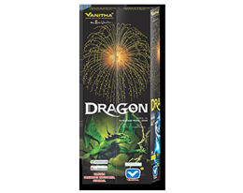 | No description published on the website | OK
Vanitha | Sky King | Fancy | Pipe | 2.5 | Sky King | 97 |  | 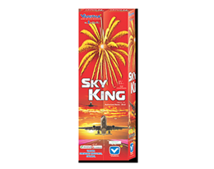 | No description published on the website | OK
Vanitha | Golden Sky | Fancy | Pipe | 2.5 | Golden Sky | 97 |  | 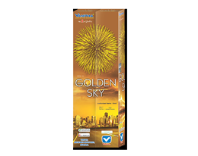 | No description published on the website | OK
Vanitha | Dark | Fancy | Pipe | 4 | Dark | 97 |  | 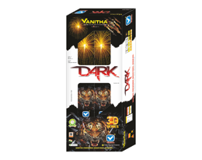 | No description published on the website | OK
Vanitha | Pink Out | Fancy | Pipe | 4 | Pink Out | 97 |  | 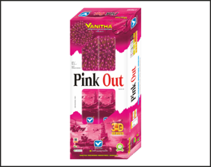 | No description published on the website | OK
Cock | Palm Garden | Fancy | Pipe | 2.5 | Palm Garden | 97 |  | 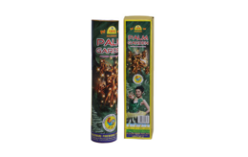 | Multiple shells that break open into palmtree, gold effect | OK
Cock | Golden Willow (3pcs) | Fancy | Pipe | 2 | Golden Willow | 84 |  | 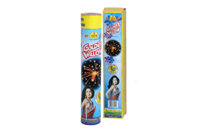 | Shoots out vertically into the sky and emits colour stars in glittering golden colour | OK
Cock | Coronet (3pcs) | Fancy | Pipe | 2 | Coronet | 74 |  | 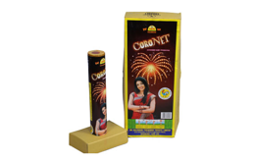 | Shoots out a shell to the sky bursting with golden rays failing like umbrella with white strobing stars - Chrysanthemum effect | OK
Mercury | 3 Pc Big Pipe | Fancy | Pipe | 2 | Integrity (closest, unverified) | 27 |  |  |  | No confident match on website
Sony | 297 | Fancy | Pipe | 2 | Alexander | 100 | 297A | 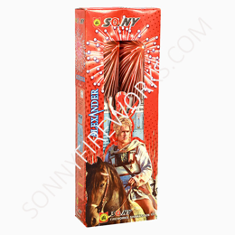 | 8 Varieties Mixed in Cartoon. Different Colour Aerial Shot | OK
Sony | Napolean |  |  |  | Napolean | 97 | 297B | 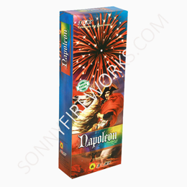 | 8 Varieties Mixed in Cartoon. Different Colour Aerial Shot | OK
Sony | Nero |  |  |  | Nero | 97 | 297C | 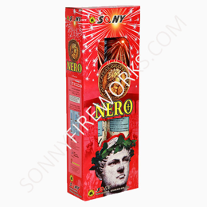 | 8 Varieties Mixed in Cartoon. Different Colour Aerial Shot | OK
Sony | Jullius Ceasar |  |  |  | Jullius Ceasar | 97 | 297D | 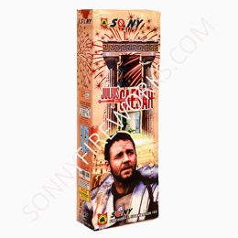 | 8 Varieties Mixed in Cartoon. Different Colour Aerial Shot | OK
Sony | King Arthur |  |  |  | King Arthur | 97 | 297E | 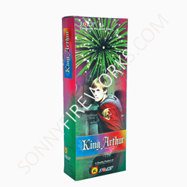 | 8 Varieties Mixed in Cartoon. Different Colour Aerial Shot | OK
Sony | Pricesss of Persia |  |  |  | Princess of Persia | 94 | 297F | 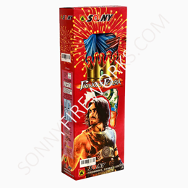 | 8 Varieties Mixed in Cartoon. Different Colour Aerial Shot | OK
Sony | Leonitas |  |  |  | Leonitas | 97 | 297G |  | 8 Varieties Mixed in Cartoon. Different Colour Aerial Shot | OK
Sony | Constantine |  |  |  | Constantine | 97 | 297H |  | 8 Varieties Mixed in Cartoon. Different Colour Aerial Shot | OK
Sony | 687 | Fancy | Pipe | 2 | Paris | 100 | 687 |  | Boom with Golden Glittering tail | OK
Sony | 686 |  |  |  | London | 100 | 686 |  | Boom with Multi Color | OK
Sony | 693 |  |  |  | Denmark | 100 | 693 |  | Boom with Silver Glittering star | OK
Sony | 688 |  |  |  | Germany | 100 | 688 |  | Boom with star + Silver flower | OK
Sony | 691 |  |  |  | Poland | 100 | 691 |  | Boom with Red star + Silver Glitter | OK
Sony | 692 |  |  |  | Finland | 100 | 692 |  | Boom with Golden Glittering star | OK
Sony | 690 |  |  |  | Italy | 100 | 690 |  | Boom with Red star + Multi star | OK
Sony | 694 |  |  |  | Sweden | 100 | 694 |  | Boom with White Star | OK
Sony | 695 |  |  |  | Norway | 100 | 695 |  | Boom with White Silver Dust | OK
Sony | 689 |  |  |  | Spain | 100 | 689 |  | Boom with Red star | OK
Sony | 267 | Fancy | Pipe | 2.25 | Manchester United | 100 | 267A |  | 8 Varieties Mixed in Cartoon. Different Colour Aerial Shot | OK
Sony | Liverpool |  | Pipe | 2.25 | Liverpool | 97 | 267B |  | 8 Varieties Mixed in Cartoon. Different Colour Aerial Shot | OK
Sony | Chelsea |  | Pipe | 2.25 | Chelsea | 97 | 267C |  | 8 Varieties Mixed in Cartoon. Different Colour Aerial Shot | OK
Sony | Aseneal |  | Pipe | 2.25 | Arsenal | 86 | 267D |  | 8 Varieties Mixed in Cartoon. Different Colour Aerial Shot | OK
Sony | Hull City |  | Pipe | 2.25 | Hull city | 97 | 267E |  | 8 Varieties Mixed in Cartoon. Different Colour Aerial Shot | OK
Sony | Aston Villa |  | Pipe | 2.25 | Aston Villa | 97 | 267G |  | 8 Varieties Mixed in Cartoon. Different Colour Aerial Shot | OK
Sony | Southampton |  | Pipe | 2.25 | Southampton | 97 | 267H |  | 8 Varieties Mixed in Cartoon. Different Colour Aerial Shot | OK
Sony | Stoke City |  | Pipe | 2.25 | Stoke City | 97 | 267I |  | 8 Varieties Mixed in Cartoon. Different Colour Aerial Shot | OK
Sony | 334 | Fancy | Pipe | 2.25 | Puppy Love | 100 | 334 |  | With Crackling | OK
Sony | 360 |  | Pipe | 2.25 | Gold Card Member | 100 | 360 |  | Gold Tail With Crackling | OK
Sony | 333 |  | Pipe | 2.25 | Black Burster | 100 | 333 |  | White Glittering/Crackling | OK
Sony | 361 |  | Pipe | 2.25 | Lal Kila | 100 | 361 |  | Red with Crackling | OK
Sony | 337 |  | Pipe | 2.25 | Blue Pearls | 100 | 337 |  | Boom with Blue | OK
Sony | 338 |  | Pipe | 2.25 | Miami Night | 100 | 338 |  | Red & Multi with Crackling | OK
Sony | 339 |  | Pipe | 2.25 | Orange | 100 | 339 |  | Boom with Orange | OK
Sony | 743 |  | Pipe | 2.25 | Balle Balle | 100 | 743 |  | Indian Aerial Shot | OK
Sony | 537 |  | Pipe | 2.25 | Multiple Aerial Star Bomb Deluxe | 100 | 537 |  | Red & Multi with Crackers | OK
Sony | 392 |  | Pipe | 2.25 | Pogooo? | 100 | 392 |  | Boom with white flower | OK
Sony | 393 |  | Pipe | 2.25 | Narnia | 100 | 393 |  | Boom with Golden glitter | OK
Sony | 394 |  | Pipe | 2.25 | Glitter Flitter | 100 | 394 |  | Boom with White Glittering | OK
Sony | 395 |  | Pipe | 2.25 | Zig Zag | 100 | 395 |  | Boom with Titanic Flower | OK
Sony | 396 |  | Pipe | 2.25 | White Chicks | 100 | 396 |  | Boom with White Stars | OK
Sony | 785 |  | Pipe | 2.25 | Kalaidoscope | 100 | 785 |  | Boom with multi effect | OK
Sony | 220 | Fancy | Pipe | 3 | Ducati | 100 | 220A |  | 5 Varieties Mixed in Cartoon. Different Colour Aerial Shot | OK
Sony | 970 | Fancy | Pipe | 3 | Chamma Chamma | 100 | 970 |  | Boom with Gold Rust | OK
Sony | 971 |  | Pipe | 3 | Samurai | 100 | 971 |  | Boom with Mercury Glitter | OK
Sony | 973 |  | Pipe | 3 | Samudra | 100 | 973 |  | Boom with White Star falling | OK
Sony | 972 |  | Pipe | 3 | Jadoo… | 100 | 972 |  | Boom with Block Gold Tail | OK
Sony | 595 |  | Pipe | 3 | Panorama | 100 | 595 |  | Boom with Block Gold Tail | OK
Sony | 521 | Fancy | Pipe | 3 | Sun Rise | 100 | 521 |  | Boom with White Tail | OK
Sony | 522 |  | Pipe | 3 | Cracking Star | 100 | 522 |  | Boom with White Glittering | OK
Sony | 529 |  | Pipe | 3 | Star Force (Space War) | 100 | 529 |  | Red & Multi With Spinners | OK
Sony | 582 |  | Pipe | 3 | Red Showers | 100 | 582 |  | Boom With Red Tail | OK
Sony | 583 |  | Pipe | 3 | Gold Coin | 100 | 583 |  | Boom With Yellow Colors | OK
Sony | 592 |  | Pipe | 3 | Yellow Showers | 100 | 592 |  | Boom With Yellow Tail | OK
Sony | 526 |  | Pipe | 3 | Palm Tree | 100 | 526 |  | Boom With Multi Tail | OK
Sony | 527 |  | Pipe | 3 | Night Angels | 100 | 527 |  | Boom With Red & Multi | OK
Sony | 528 |  | Pipe | 3 | Flash Queen | 100 | 528 |  | Boom With White Color | OK
Sony | 531 |  | Pipe | 3 | Golden Angels | 100 | 531 |  | Boom With Golden Flickering | OK
Sony | 535 |  | Pipe | 3 | Akash Ashrafi | 100 | 535 |  | Boom With Silver Flickering | OK
Sony | 549 |  | Pipe | 3 | Gold Spider | 100 | 549 |  | Thousands Legs of Spider with Glitter | OK
Sony | 581 |  | Pipe | 3 | Green / Multi Showers | 100 | 581 |  | Boom with Multi Tail | OK
Sony | 983 |  | Pipe | 3 | Sizzling Salsa | 100 | 983 |  | Sizzling Multi | OK
Sony | 979 |  | Pipe | 3 | Lal Mirchi | 100 | 979 |  | Sizzling Red | OK
Sony | 275 |  | Pipe | 3 | Infra Red | 100 | 275 |  | Boom with Red Falls | OK
Sony | 276 |  | Pipe | 3 | Sky Line | 100 | 276 |  | Boom with Blue | OK
Sony | 277 |  | Pipe | 3 | Green / Multi Valley | 100 | 277 |  | Boom with Falls | OK
Sony | 525 | Fancy | Pipe | 2.25 | Star & sun | 100 | 525 |  | Double Shot Red & White Tail | OK
Sony | 533 |  | Pipe | 2.25 | Rang Aur Rang | 100 | 533 |  | Double Shot Red & Multi | OK
Sony | 534 |  | Pipe | 2.25 | Rang Boquet | 100 | 534 |  | Five Shot Red & White | OK
Sony | 975 |  | Pipe | 2.25 | Pot ‘O’ Gold | 100 | 975 |  | Double Blue & Yellow Tail | OK
Sony | 976 |  | Pipe | 2.25 | Spring Sprang | 100 | 976 |  | Double & Yellow Tail | OK
Sony | 978 |  | Pipe | 2.25 | Huggy Muggy | 100 | 978 |  | Red & Blue | OK
Sony | 357 | Fancy | Pipe | 3 | Adidas | 100 | 357A |  | 8 Varieties Mixed in Cartoon. Different Colour Aerial Shot | OK
Sony | 833 | Fancy | Pipe | 3 | Mars Attack | 100 | 833 |  | Digital Golden Tail | OK
Sony | 834 | Fancy | Pipe | 3 | Mercury Flash | 100 | 834 |  | Red and White | OK
Sony | 837 | Fancy | Pipe | 3 | Sky Scrappers | 100 | 837 |  | Digital Multi Tail | OK
Sony | 841 | Fancy | Pipe | 3 | Digital Stars | 100 | 841 |  | 1000 of Aerial Dancer | OK
Sony | 842 | Fancy | Pipe | 3 | City Night | 100 | 842 |  | Digital Red & Multi | OK
Sony | 831 | Fancy | Pipe | 3 | Twister | 100 | 831 |  | Digital Crackling | OK
Sony | 844 | Fancy | Pipe | 3 | Solar Laser | 100 | 844 |  | Digital Yellow Tail | OK
Sony | 981 | Fancy | Pipe | 3 | Vibgyor(Deluxe) | 100 | 981 |  | Multi Color Mixing | OK
Sony | 280 | Fancy | Pipe | 3 | Vertigo | 100 | 280 |  | Vertigo ITEM CODE: 280 VIEW PRODUCT | OK
Sony | 974 | Fancy | Pipe | 3 | Blue Chip | 100 | 974 |  | Blue Mix Gold | OK
Sony | 532 | Fancy | Pipe | 3 | Neela Angels | 100 | 532 |  | Boom With Blue Color | OK
Sony | 801 | Fancy | Pipe | 3 | Golden Octopusy | 100 | 801 |  | Boom With Golden Tail | OK
Sony | 804 | Fancy | Pipe | 3 | Monster | 100 | 804 |  | Boom With White Tail | OK
Sony | 397 | Fancy | Pipe | 3 | Sim 2 | 100 | 397 |  | Red Wave | OK
Sony | 681 | Fancy | Pipe | 3 | Cappaccino | 100 | 681 |  | Boom / Red Faling Leaves | OK
Sony | 682 | Fancy | Pipe | 3 | Gem Park | 100 | 682 |  | Boom/R&Mul&Gill Faling Leaves | OK
Sony | 980 | Fancy | Pipe | 3 | Cactus Rain | 100 | 980 |  | Crackling Flower | OK
Sony | 857 | Fancy | Pipe | 3 | Mast Mast | 100 | 857 |  | Multi Shot With Silver EffEct | OK
Sony | 858 | Fancy | Pipe | 3 | Mela | 100 | 858 |  | Multi Shot With tail Cracker Effect | OK
Sony | 789 | Fancy | Pipe | 3 | Master of Magic | 100 | 789 |  | Multi Color Effect | OK
Sony | 861 | Fancy | Pipe | 3 | Rock & Roll | 100 | 861 |  | Crack & tail multi shot/R&Mul Effect | OK
Sony | 859 | Fancy | Pipe | 3 | Texas Raider | 100 | 859 |  | Multi Cracker With Crossett Effect | OK
Sony | 750 | Fancy | Pipe | 3 | Bad Boy | 100 | 750 |  | Tail With White Glittering | OK
Sony | 752 | Fancy | Pipe | 3 | Back Street Boys | 100 | 752 |  | Golden Tail With Red & Multi | OK
Sony | 787 | Fancy | Pipe | 3 | Naya Naya Pyar | 100 | 787 |  | Sizzling With Multi | OK
Sony | 988 | Fancy | Pipe | 3 | Hot Mirchi | 100 | 988 |  | Boom With Red Tail Rust | OK
Sony | 683 | Fancy | Pipe | 3 | Fantasy Fish | 100 | 683 |  | Boom with Silver Fish | OK
Sony | 685 | Fancy | Pipe | 3 | Paradise Fish | 100 | 685 |  | Boom / Multi Fish & Crackling | OK
Sony | 596 | Fancy | Pipe | 3.25 | Hollywood | 100 | 596 |  | Boom With Gold Line Purple | OK
Sony | 597 | Fancy | Pipe | 3.25 | Bollywood | 100 | 597 |  | Boom With Gold Line With Gillitering | OK
Sony | 598 | Fancy | Pipe | 3.25 | Velvet | 100 | 598 |  | Boom With Gold Line Gold | OK
Sony | 429 | Fancy | Pipe | 3.25 | Blue Octopus | 100 | 429 |  | Mega 3 1/2 Octopusy Blue | OK
Sony | 430 | Fancy | Pipe | 3.25 | Spider Web | 100 | 430 |  | Boom 3 1/2 Octopusy Spider | OK
Sony | 344 | Fancy | Pipe | 3.25 | Miracle | 100 | 344 |  | Boom with Red & Laser White | OK
Sony | 345 | Fancy | Pipe | 3.25 | Arrow | 100 | 345 |  | Boom with & Multi Laser | OK
Sony | 346 | Fancy | Pipe | 3.25 | Golden Rain | 100 | 346 |  | Boom with Titanic Drop | OK
Sony | 347 | Fancy | Pipe | 3.25 | Silver Streak | 100 | 347 |  | Boom with Laser White | OK
Sony | 348 | Fancy | Pipe | 3.25 | Red Dragon | 100 | 348 |  | Boom with Laser White Red | OK
Sony | 1348 | Fancy | Pipe | 3.25 | Red Octopus | 100 | 1348 |  | Multi Shot Tail | OK
Sony | 1351 | Fancy | Pipe | 3.25 | 361? – 30 (closest, unverified) | 24 |  |  |  | No confident match on website
Sony | 977 | Fancy | Pipe | 3.25 | Blue Heaven | 100 | 977 |  | Blue & Silver Double | OK
Sony | 860 |  | Pipe | 3.25 | Magic Crystal | 100 | 860 |  | Boom With Purple Color | OK
Sony | 748 |  | Pipe | 3.25 | Hot Girls | 100 | 748 |  | Sizzling Crackler | OK
Sony | 989 |  | Pipe | 3.25 | Blue Eyes | 100 | 989 |  | Boom With Blue Tail Rust | OK
Sony | 902 |  | Pipe | 3.25 | Star Fish (King Fisher Dlx) | 100 | 902 |  | Boom with Star Crackling | OK
Sony | 807 |  | Pipe | 3.25 | World war | 100 | 807 |  | Boom With Cracker Effect | OK
Sony | 803 |  | Pipe | 3.25 | Lightning Thunder | 100 | 803 |  | Boom with Boom Tail | OK
Sony | 835 |  | Pipe | 3.25 | Sky Traffic | 100 | 835 |  | Blue & Purple | OK
Sony | 436 |  | Pipe | 3.25 | Lemon | 100 | 436 |  | Yellow Tail Cracker | OK
Sony | 1135 | Fancy | Pipe | 3.25 | Batman | 100 | 1135 |  | Boom | OK
Sony | 1136 |  | Pipe | 3.25 | Superman | 100 | 1136 |  | Boom | OK
Sony | 1137 |  | Pipe | 3.25 | HeeMan | 100 | 1137 |  | Boom | OK
Sony | 1138 |  | Pipe | 3.25 | Aquaman | 100 | 1138 |  | Boom | OK
Sony | 1139 |  | Pipe | 3.25 | Captain America | 100 | 1139 |  | Boom | OK
Sony | 1129 | Fancy | Pipe | 3.25 | Moana | 100 | 1129 |  | Boom | OK
Sony | 1130 |  | Pipe | 3.25 | Gramma | 100 | 1130 |  | Boom | OK
Sony | 1131 |  | Pipe | 3.25 | Sina | 100 | 1131 |  | Boom | OK
Sony | 1132 |  | Pipe | 3.25 | Mavi | 100 | 1132 |  | Boom | OK
Sony | 1133 |  | Pipe | 3.25 | Tui | 100 | 1133 |  | Boom | OK
Sony | 352 | Fancy | Pipe | 3.5 | Hercules | 100 | 352 |  | Ring With Different Color Boom | OK
Sony | 353 |  | Pipe | 3.5 | X-Man | 100 | 353 |  | Ring With Different Color Boom | OK
Sony | 354 |  | Pipe | 3.5 | Bruce Lee | 100 | 354 |  | Ring With Different Color Boom | OK
Sony | 355 |  | Pipe | 3.5 | 7th Sense | 100 | 355 |  | Ring With Different Color Boom | OK
Sony | 356 |  | Pipe | 3.5 | Color Plus | 100 | 356 |  | Ring With Different Color Boom | OK
Sony | 1134 |  | Pipe | 3.5 | Zulk War ( Ring ) | 100 | 1134 |  | Crackling Ring with Color | OK
Sony | 1538 |  | Pipe | 3.5 | 361? – 30 (closest, unverified) | 24 |  |  |  | No confident match on website
Sony | 1540 |  | Pipe | 3.5 | 361? – 30 (closest, unverified) | 24 |  |  |  | No confident match on website
Cock | Flora Fountain | Flower Pot | Fancy | 5 | Flower Pot Big (closest, unverified) | 57 |  |  |  | No confident match on website
Cock | Golden Penny | Flower Pot | Super Delux | 5 | Golden Penny | 97 |  |  | Golden Cylindrical fountain emitting white micro flash stars | OK
Cock | Deluxe Flower Pot | Flower Pot | Deluxe | 10 | Deluxe Size Flower Pots | 84 |  |  | Sliver fountain with white sparks. | OK
Cock | Rang Barat | Flower Pot | Super Delux | 2 | Rang Baraat | 95 |  |  | No description published on the website | OK
Cock | Special Flower Pot | Flower Pot | Special | 10 | Super Flower Pots | 80 |  |  | Fountain emits showers of sparks followed by a bang. | OK
Cock | Super Size Flower Pot | Flower Pot | Super | 5 | Super Flower Pots | 84 |  |  | Fountain emits showers of sparks followed by a bang. | OK
Cock | Tri Colour Flower Pot | Flower Pot | Super Delux | 5 | Tri Colour Flower Pots | 98 |  |  | Golden fountain emitting red, green, and white sparks. | OK
Sony | Color Koti | Flower Pot | Deluxe | 10 | Colour Koti ( Deluxe ) | 82 | 401 |  | Multi Conical Fountain | OK
Vanitha | Flower Pot Delux | Flower Pot | Deluxe | 5 | Flower Pots Deluxe | 97 |  |  | No description published on the website | OK
Vanitha | Flower Pot Ashoka | Flower Pot | Deluxe | 10 | Flower Pots Ashoka | 97 |  |  | No description published on the website | OK
Vanitha | Color Koti | Flower Pot | Giant | 10 | Colour Koti | 97 |  |  | No description published on the website | OK
Vanitha | Color Cone | Flower Pot | Special | 10 | Colour Cone | 97 |  |  | No description published on the website | OK
Vanitha | Flower Cone III | Flower Pot | Special | 10 | Flower Cone III | 97 |  |  | No description published on the website | OK
Vanitha | Gods and King | Flower Pot | Special | 2 | Gods & Kings | 78 |  |  | No description published on the website | OK
Vanitha | Don World | Flower Pot | Super Delux | 10 | DON WORLD | 97 |  |  | No description published on the website | OK
Vanitha | Color World | Flower Pot | Super Delux | 10 | Colour world | 97 |  |  | No description published on the website | OK
Vanitha | Fun Time | Flower Pot | Super Delux | 10 | Fun Time | 97 |  |  | No description published on the website | OK
Vanitha | Wonder Pot Mix | Flower Pot | Super Delux | 5 | Wonder Pot Mix | 97 |  |  | No description published on the website | OK
Vanitha | Bubble | Flower Pot | Super Delux | 2 | Bubble Fountain (closest, unverified) | 57 |  |  |  | No confident match on website
Cock | 45cm Ground Chakkar | GC | 45 | 10 | 45 Cm Ground Chakkars | 95 |  |  | whirling on ground with emission of sparks | OK
Cock | 70 cm Ground Chakkar | GC | 70 | 10 | 70 Cm Ground Chakkars | 98 |  |  | whirling on ground with emission of sparks | OK
Cock | Nattiya Dhara | GC | 70 | 5 | Nattiya Dhara | 97 |  |  | Whirling on ground in right & left direction with emission of golden silvery sparks | OK
Cock | Whistling Wheel | GC | 70 | 5 | Whistling Rocket | 71 |  |  | Launched vertically produces whistling sound in the sky | OK
Vanitha | Spinner Special | GC | 45 | 10 | Spinner Special | 97 |  |  | No description published on the website | OK
Vanitha | Spinner Mix | GC | 45 | 6 | Spinner mix | 97 |  |  | No description published on the website | OK
Vanitha | Spinner Super Delux | GC | 70 | 10 | Spinner Super Deluxe(10 pcs) | 84 |  |  | No description published on the website | OK
Arumugam | Bheem Boy | Novelties | Fountain | Small |  |  |  |  |  | Brand not on the 5 sites
Arumugam | Crazy Kid | Novelties | Children | Small |  |  |  |  |  | Brand not on the 5 sites
Arumugam | Hi-Fi | Novelties | Fountain | Small |  |  |  |  |  | Brand not on the 5 sites
Sunshine | Pyro Dance Butterfly | Novelties | Butterfly | RGB Colour | Pyro Dance | 82 |  |  | No description published on the website | OK
Sunshine | Chut Put | Novelties | Chut Put | Crackling | Chit Put | 88 |  |  | No description published on the website | OK
Sunshine | Moon Drops | Novelties | Fountain | RGB Colour | Moon Drops | 97 |  |  | No description published on the website | OK
Sunshine | Milmi 24 Helecopter | Novelties | Helecopter | Small | Milme c20 (closest, unverified) | 43 |  |  |  | No confident match on website
Vanitha | Chut Put | Novelties | Chut Put | Crackling | Drum Pot (closest, unverified) | 50 |  |  |  | No confident match on website
Vanitha | Butterfly | Novelties | Butterfly | RGB Colour | Color changing Butterfly (closest, unverified) | 55 |  |  |  | No confident match on website
Vanitha | Drone | Novelties | FancyPipe | Fancy | Drone | 97 |  |  | No description published on the website | OK
Vanitha | I-Spin | Novelties | Spinner | Silver | I-Spin | 97 |  |  | No description published on the website | OK
Vanitha | Lotto | Novelties | Spinner | Fancy | Lotto | 97 |  |  | No description published on the website | OK
Mercury | Mercury Flash | Novelties | Butterfly | RGB Colour | sidharth.mercury@gmail.com (closest, unverified) | 46 |  |  |  | No confident match on website
Mercury | Drone | Novelties | Drone | RGB Colour | Rockets (closest, unverified) | 50 |  |  |  | No confident match on website
Cock | Red Flare | Pencil | Large | Red | Red Flare | 97 |  |  | Torch with a deep red colour flame | OK
Cock | Jil Jil Cock | Pencil | Large | Wire | Jil Jil | 74 |  |  | A whip emitting a shower of white sparks | OK
Cock | Magic Pencil | Pencil | Small | Plain | Magic Pencil | 97 |  |  | Shower silvery white spark | OK
Cock | Niagaa Falls | Pencil | Large | Asharfi | Niagara Falls | 96 |  |  | Emits a continuous shower of golden sparks with tail | OK
Cock | Olymoic Trches | Pencil | Large | White | Olympic Torches | 90 |  |  | Showers silvery white spark | OK
Cock | Silver Rain Torches | Pencil | Medium | Silver | Silver Rain Torches | 97 |  |  | Showers silvery white spark | OK
Cock | Siren Torch | Pencil | Large | Siren | Siren Torch | 97 |  |  | Emits shower of golden sparks with whistling sound | OK
Gudiya | Pencil Silver Falls | Pencil | Big | Silver |  |  |  |  |  | Brand not on the 5 sites
Gudiya | Queens of Baton | Pencil | Medium | Plain |  |  |  |  |  | Brand not on the 5 sites
Cock | Golden Willow Rocket | Rocket | Large | Fancy | Golden Willow Rocket | 97 |  |  | Launched vertically to the sky followed with multiple crackling sound | OK
Cock | Lunik Express | Rocket | Small | Bomb | Lunik Express | 97 |  |  | Launched vertically produces green flame and one sound in the sky | OK
Cock | Sky Whistle | Rocket | Small | Whisling | Sky Whistle | 97 |  |  | Launched vertically to the sky with whistling sound | OK
Cock | Super Star Rocket | Rocket | Large | Fancy | Super Star Rocket | 97 |  |  | Again emits white colour stars and ends with a second sound | OK
Cock | Whistling Rocket | Rocket | Medium | Whisling | Whistling Rocket | 97 |  |  | Launched vertically produces whistling sound in the sky | OK
Sunshine | Mi 2 | Rocket | 2 Sound | Bomb | MI2 | 97 |  |  | No description published on the website | OK
Sunshine | FX 3 | Rocket | 3 Sound | Bomb | FX3 | 97 |  |  | No description published on the website | OK
Sunshine | Crackling Lunix | Rocket | Large | Crackling | Crackling Lunik | 93 |  |  | No description published on the website | OK
Sunshine | Shane Pinjab | Rocket | Medium | Bomb | Shane Punjap | 83 |  |  | No description published on the website | OK
Sunshine | Nasa Rocket | Rocket | Small | Bomb | Rockers (closest, unverified) | 56 |  |  |  | No confident match on website
Azad | NEELU ELECTRIC | Sparkler | 15 | Electric |  |  |  |  |  | Brand not on the 5 sites
Azad | NEELU COLOUR | Sparkler | 15 | Colored |  |  |  |  |  | Brand not on the 5 sites
Azad | LASER GREEN | Sparkler | 15 | Red/Green |  |  |  |  |  | Brand not on the 5 sites
Azad | LASER RED | Sparkler | 15 | Red/Green |  |  |  |  |  | Brand not on the 5 sites
Azad | FIFTY-FIFTY | Sparkler | 15 | Red/Green |  |  |  |  |  | Brand not on the 5 sites
Azad | NEELU ELECTRIC | Sparkler | 30 | Electric |  |  |  |  |  | Brand not on the 5 sites
Azad | NEELU COLOUR | Sparkler | 30 | Colored |  |  |  |  |  | Brand not on the 5 sites
Azad | LASER GREEN | Sparkler | 30 | Red/Green |  |  |  |  |  | Brand not on the 5 sites
Azad | LASER RED | Sparkler | 30 | Red/Green |  |  |  |  |  | Brand not on the 5 sites
Cock | 15 cm. Coloured Sparkler | Sparkler | 15 | Colored | 15 cm Coloured Sparklers | 98 |  |  | Emit gold sparks with white stars | OK
Cock | 15 cm. Electric Sparkler | Sparkler | 15 | Electric | 15 cm Electric Sparklers | 98 |  |  | Emit gold sparks | OK
Cock | 30 cm. Coloured Sparkler | Sparkler | 30 | Colored | 30 cm Coloured Sparklers | 98 |  |  | Emit gold sparks with white stars | OK
Cock | 30 cm. Electric Sparkler | Sparkler | 30 | Electric | 30 cm Electric Sparklers | 98 |  |  | Emit gold sparks | OK
Cock | 50 cm. Coloured Sparkler | Sparkler | 50 | Colored | 50 cm Coloured Sparklers | 98 |  |  | Emit gold sparks with white stars | OK
Cock | 50 cm. Electric Sparkler | Sparkler | 50 | Electric | 50 cm Electric Sparklers | 98 |  |  | Emit gold sparks | OK
Gudiya | 35 cm Sparkler Colored | Sparkler | 35 | Colored |  |  |  |  |  | Brand not on the 5 sites
Gudiya | 60 cm Sparkler Colored | Sparkler | 60 | Colored |  |  |  |  |  | Brand not on the 5 sites
Gudiya | 100cm Sparkler Colored | Sparkler | 100 | Colored |  |  |  |  |  | Brand not on the 5 sites
Gudiya | 18 cm Sparkler Colored | Sparkler | 18 | Colored |  |  |  |  |  | Brand not on the 5 sites
Cock | 12 star | FancyFan | 12 | No Sound | 12 Star | 97 |  |  | Shoots out shell vertically to the sky 12 green stars one by one each ending with a flash report | OK
Cock | 15 star | FancyFan | 15 | No Sound | 15 Star | 97 |  |  | Shoots out shell vertically to the sky 15 green stars one by one each ending with a flash report | OK
Cock | Enjoy 180 | FancyFan | 180 | No Sound | Enjoy - 180 | 97 |  |  | Shells that go up with a golden tail blooming out with colours â red, green, yellow and blue | OK
Cock | Joy 240 | FancyFan | 240 | No Sound | Joy 240 | 97 |  |  | Golden delite â 240 repeated shells of the best effect in golden hue, all finishing with a report | OK
Cock | Joy 30 | FancyFan | 30 | No Sound | Joy 240 (closest, unverified) | 54 |  |  |  | No confident match on website
Cock | Joy 60 | FancyFan | 60 | No Sound | Joy 240 (closest, unverified) | 54 |  |  |  | No confident match on website
Cock | Titania 72 | FancyFan | 72 | No Sound | Titania - 72 | 97 |  |  | Shoots out vertically to the sky 72 times one by one gold glittering tails that end with colour and strobing stars | OK
Cock | Sky Buster 130 | FancyFan | 130 | No Sound | Sky Buster 130 | 97 |  |  | Shoots out 130 shells, breaking into 3 unique effects, going up with a golden tail bursting out colours of gold, red, white and green | OK
Sony | Volcano 30 | FancyFan | 30 | MultiColor | Zodiac – 30 (closest, unverified) | 53 |  |  |  | No confident match on website
Sony | 12 Sign Square Mix | FancyFan | 12 | MultiColor | 12 SIGN SQUARE MIX | 97 | 1071 |  | Aerial Collage: 12 Sign Green / Multi ,12 Angry Bird, 12 Monkeys, 12 Days, 12 Rose | OK
Sony | Power 60 | FancyFan | 60 | MultiColor | Power – 60 | 97 | 993 |  | 60 Horse Power Crackling Efect | OK
Sony | Terminator 120 | FancyFan | 120 | MultiColor | Terminator – 120 | 97 | 996 |  | 120 Shot Multi Effect | OK
Sony | N-Joi 240 | FancyFan | 240 | MultiColor | N-Joi – 240 | 97 | 903 |  | Multi Effect Aerial Shot | OK
Sunshine | Classic Guitar 12 Multi Color | FancyFan | 12 | MultiColor | Classic Guitar | 82 |  |  | No description published on the website | OK
Sunshine | Rock Show 15 | FancyFan | 15 | MultiColor | Rock Show | 90 |  |  | No description published on the website | OK
Sunshine | Sky Show 30 | FancyFan | 30 | MultiColor | Sky Show | 90 |  |  | No description published on the website | OK
Sunshine | 12 Star Club Mix | FancyFan | 12 | No Sound | Club Mix | 82 |  |  | No description published on the website | OK
Sunshine | Relax 50 | FancyFan | 50 | MultiColor | Relax 50 | 97 |  |  | No description published on the website | OK
Sunshine | Rangeela 60 | FancyFan | 60 | MultiColor | Orange (closest, unverified) | 59 |  |  |  | No confident match on website
Sunshine | Pop Show 80 | FancyFan | 80 | MultiColor | Pop Show | 90 |  |  | No description published on the website | OK
Sunshine | Ultra Delux 100 | FancyFan | 100 | MultiColor | Ultra Deluxe 100 | 97 |  |  | No description published on the website | OK
Sunshine | Star Show 120 | FancyFan | 120 | MultiColor | Star Show | 90 |  |  | No description published on the website | OK
Sunshine | Road Show 160 | FancyFan | 160 | MultiColor | Road Show | 90 |  |  | No description published on the website | OK
Sunshine | Magic Show 200 shot | FancyFan | 200 | MultiColor | Magic Show | 90 |  |  | No description published on the website | OK
Sunshine | Fashion Show 240 Shot | FancyFan | 240 | MultiColor | Fashion Show 240 | 90 |  |  | No description published on the website | OK
Mercury | 120 Shot | FancyFan | 120 | MultiColor | Mud Pots (closest, unverified) | 38 |  |  |  | No confident match on website
Mercury | 60 Shot | FancyFan | 60 | MultiColor | Mud Pots (closest, unverified) | 40 |  |  |  | No confident match on website
Mercury | 30 Shot | FancyFan | 30 | MultiColor | Mud Pots (closest, unverified) | 40 |  |  |  | No confident match on website
Mercury | 12 Shot | FancyFan | 12 | MultiColor | Mud Pots (closest, unverified) | 40 |  |  |  | No confident match on website
Sunshine | Rider | FancyFan | 12 | Rider | Raider Star (closest, unverified) | 62 |  |  |  | No confident match on website
Sunshine | Action Replay 100 | FancyFan | 100 | MultiColor | Action Replayy | 88 |  |  | No description published on the website | OK
Sunshine | Big Bash 100 | FancyFan | 120 | MultiColor | Big Bash | 90 |  |  | No description published on the website | OK
Sunshine | 500 Shot | FancyFan | 500 | MultiColor | Lime Shots (closest, unverified) | 56 |  |  |  | No confident match on website

